MONTHLY SALES
Monthly Sales Trend
Row Labels | Sum of Sales _value
2017 | 600192.55
January | 18542.491
February | 22978.815
March | 51165.059
April | 38679.767
May | 56656.908
June | 39724.486
July | 38320.783
August | 30542.2003
September | 69193.3909
October | 59583.033
November | 79066.4958
December | 95739.121
Grand Total | 600192.55

Region
Sales by Region
Row Labels | Sum of Sales _value
Central | 492646.9132
East | 669518.726
South | 389151.459
West | 710219.6845
Grand Total | 2261536.7827

Segment
Row Labels | Sum of Sales _value
Consumer | 1148060.531
Corporate | 688494.0748
Home Office | 424982.1769
Sales by Segment
Grand Total | 2261536.7827

Category
Row Labels | Sum of Sales _value
Furniture | 728658.5757
Office Supplies | 705422.334
Technology | 827455.873
Grand Total | 2261536.7827
Sales by Category

Top 10 Customers
Row Labels | Sum of Sales _value
Adrian Barton | $14,473.57
Christopher Conant | $12,129.07
Top 10 Customers
Hunter Lopez | $12,873.30
Ken Lonsdale | $14,175.23
Raymond Buch | $15,117.34
Sanjit Chand | $14,142.33
Sanjit Engle | $12,209.44
Sean Miller | $25,043.05
Tamara Chand | $19,052.22
Tom Ashbrook | $14,595.62
Grand Total | $153,811.17

Top 10 States
Top 10 States
Row Labels | Sum of Sales _value
California | $446,306.46
New York | $306,361.15
Texas | $168,572.53
Washington | $135,206.85
Pennsylvania | $116,276.65
Florida | $88,436.53
Illinois | $79,236.52
Michigan | $76,136.07
Ohio | $75,130.35
Virginia | $70,636.72
Grand Total | $1,562,299.84

ShipMode
Ship mode
Row Labels | Sum of Sales _value
First Class | 345572.2573
Same Day | 125219.039
Second Class | 449914.1794
Standard Class | 1340831.307
Grand Total | 2261536.7827

DASHBOARD
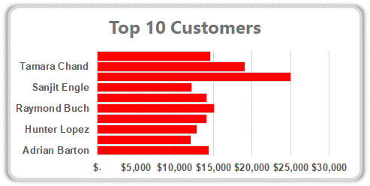
SUPERSTORE SALES PERFORMANCE DASHBOARD

Interactive Sales & Customer Analytics
(2015–2018)

Total Sales
Total Orders
Total Customers
Avg Order Value

$2.26M
4922
793
$459.48

▲ 20.3% YoY
▲ 28.3% YoY
▲ 8.7% YoY
▼ 6.2% YoY

Monthly Sales Trend
 | Total
January | 18542.491
February | 22978.815
March | 51165.059
April | 38679.767
May | 56656.908
June | 39724.486
July | 38320.783
August | 30542.2003
September | 69193.3909
October | 59583.033
November | 79066.4958
December | 95739.121

Sales by Category
 | Total
Furniture | 728658.5757
Office Supplies | 705422.334
Technology | 827455.873
Sales by Segment
 | Total
Consumer | 1148060.531
Corporate | 688494.0748
Home Office | 424982.1769

Sales by Region
 | Total
Central | 492646.9132
East | 669518.726
South | 389151.459
West | 710219.6845
Ship mode
 | Total
First Class | 345572.2573
Same Day | 125219.039
Second Class | 449914.1794
Standard Class | 1340831.307

Top 10 States
 | Total
California | $446,306.46
New York | $306,361.15
Texas | $168,572.53
Washington | $135,206.85
Pennsylvania | $116,276.65
Florida | $88,436.53
Illinois | $79,236.52
Michigan | $76,136.07
Ohio | $75,130.35
Virginia | $70,636.72

